Sheet1
V - Deg
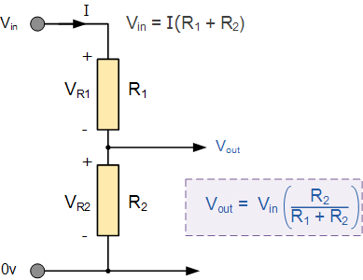

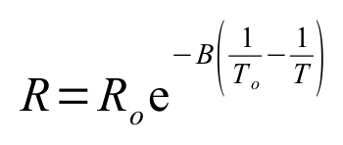

 |  |  |  |  | R0 | 2200 | Ohm
 |  |  |  |  | B | 3977 | -
 |  |  |  |  | T0 | 293 | K
 |  |  |  |  | V_in | 5 | V
 |  |  |  |  | R1 | 330 | Ohm
 |  |  |  |  | Rth | 10.556990542
 |  |  |  |  | Smax[mV/K] | 2.6943421302
 |  |  |  |  | Save[mV/K] | 2.2308488164

Temp [deg] | Temp [K] | Resistance [kOhm] | V_out [V] | dV [mV/K]
15 | 288 | 2784.605742 | 4.4702379252
20 | 293 | 2200 | 4.347826087 | 24.482367653
25 | 298 | 1751.926614 | 4.2074648602 | 28.072245342
30 | 303 | 1405.6376764 | 4.0493407568 | 31.624820699
35 | 308 | 1135.8896575 | 3.8744036827 | 34.987414801
40 | 313 | 924.1774395 | 3.6843966826 | 38.001400027
45 | 318 | 756.81823168 | 3.4818068451 | 40.51796751
50 | 323 | 623.61132532 | 3.2697353144 | 42.414306135
55 | 328 | 516.89191965 | 3.0516994416 | 43.607174566
60 | 333 | 430.85721293 | 2.8313933653 | 44.061215248
65 | 338 | 361.0823285 | 2.6124407586 | 43.790521352
70 | 343 | 304.16976601 | 2.3981730312 | 42.853545473
75 | 348 | 257.49356237 | 2.1914585866 | 41.342888907
80 | 353 | 219.01117406 | 1.9945966895 | 39.372379428
85 | 358 | 187.12415878 | 1.8092768981 | 37.063958292
90 | 363 | 160.5742841 | 1.636595 | 34.536379608
95 | 368 | 138.36553909 | 1.477110585 | 31.896883002
100 | 373 | 119.70521647 | 1.330929819 | 29.236153199
105 | 378 | 103.9591279 | 1.1977986084 | 26.626242125
110 | 383 | 90.617360365 | 1.077194725 | 24.120776679
115 | 388 | 79.267943201 | 0.96841133685 | 21.756677629
120 | 393 | 69.576486671 | 0.87062788968 | 19.556689434
125 | 398 | 61.270354422 | 0.7829669911 | 17.532179715
130 | 403 | 54.126297164 | 0.70453777265 | 15.685843691
135 | 408 | 47.960742868 | 0.63446725319 | 14.014103892
140 | 413 | 42.622136367 | 0.57192168965 | 12.509112707
145 | 418 | 37.98486788 | 0.51611997117 | 11.160343696
150 | 423 | 33.944439402 | 0.46634095382 | 9.9558034703
155 | 428 | 30.413599931 | 0.42192636372 | 8.8829180195
160 | 433 | 27.319242449 | 0.38228059399 | 7.9291539464
165 | 438 | 24.599902403 | 0.34686843166 | 7.0824324661
170 | 443 | 22.203733187 | 0.31521149685 | 6.3313869608
175 | 448 | 20.08686146 | 0.28688396611 | 5.6655061492
180 | 453 | 18.212046084 | 0.2615079847 | 5.0751962821
185 | 458 | 16.547580757 | 0.23874904451 | 4.5517880375
190 | 463 | 15.066392922 | 0.21831150804 | 4.0875072951
195 | 468 | 13.745301376 | 0.19993438923 | 3.6754237614
200 | 473 | 12.564402616 | 0.18338745241 | 3.3093873642
205 | 478 | 11.506562005 | 0.16846765605 | 2.9839592726
210 | 483 | 10.556990542 | 0.15499594539 | 2.6943421302
215 | 488 | 9.7028917893 | 0.14281438315 | 2.436312448
220 | 493 | 8.9331664654 | 0.1317835985 | 2.2061569312
225 | 498 | 8.2381645873 | 0.12178052996 | 2.0006137073
230 | 503 | 7.6094769375 | 0.11269643564 | 1.8168188653
235 | 508 | 7.0397591451 | 0.10443514384 | 1.6522583595
240 | 513 | 6.5225828943 | 0.096911518363 | 1.504725095
245 | 518 | 6.052309758 | 0.090050113959 | 1.3722808808
250 | 523 | 5.6239839503 | 0.083783999643 | 1.2532228633
255 | 528 | 5.2332409437 | 0.078053729531 | 1.1460540224
260 | 533 | 4.8762294196 | 0.072806442966 | 1.0494573128
265 | 538 | 4.5495444556 | 0.067995077725 | 0.96227304832
270 | 543 | 4.2501702033 | 0.06357768196 | 0.88347915298
275 | 548 | 3.9754306022 | 0.059516812285 | 0.81217393507
280 | 553 | 3.7229469136 | 0.055779006928 | 0.74756107139
285 | 558 | 3.4906010539 | 0.052334324308 | 0.68893652387
290 | 563 | 3.2765038725 | 0.049155938604 | 0.63567714096
295 | 568 | 3.0789676528 | 0.046219784973 | 0.5872307261
300 | 573 | 2.8964822285 | 0.043504248064 | 0.54310738187

